Account Posting Rules
Account Posting Rules: | Provides instructions on how to read the report that displays which categories drive which ledger accounts.

Ledger Account Usage Rules Report | https://www.myworkday.com/osu/d/task/1422$1345.htmld

Type of Accounting Transaction: | Revenue: Includes revenue categories that may be selected on a transaction
 | Spend: Includes spend categories that may be selected on a transaction

Company:

Ledger Account: | Allows you to choose specific ledger account(s) for which to view the Account Posting Rule(s).

**Keep the default prompts when running the reports to view all APRs for all revenue and spend categoris, by Company. These are base line account posting rules and there may be an account posting rule in a business process that overrides what is found in revenue or spend results.
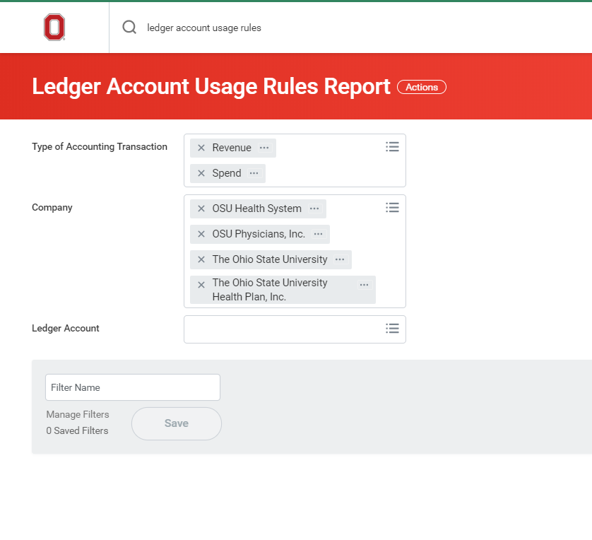

How to Read the Report

Example 1: Select any Revenue Category within the 'Sales and Service' Revenue Category Hierarchy with The Ohio State University; the transaction will post to ledger account 42000: Sales and Services

Example 2: Select Revenue Category RC1037 with any Company; the transaction will post to ledger account 45550: Interest Income Operating

Example 3: Select any Spend Category that is included in the Spend Category Hierarchy 'Supplies' with The Ohio State University; the transaction will post to ledger account 62000: Supplies

